Four P's chart
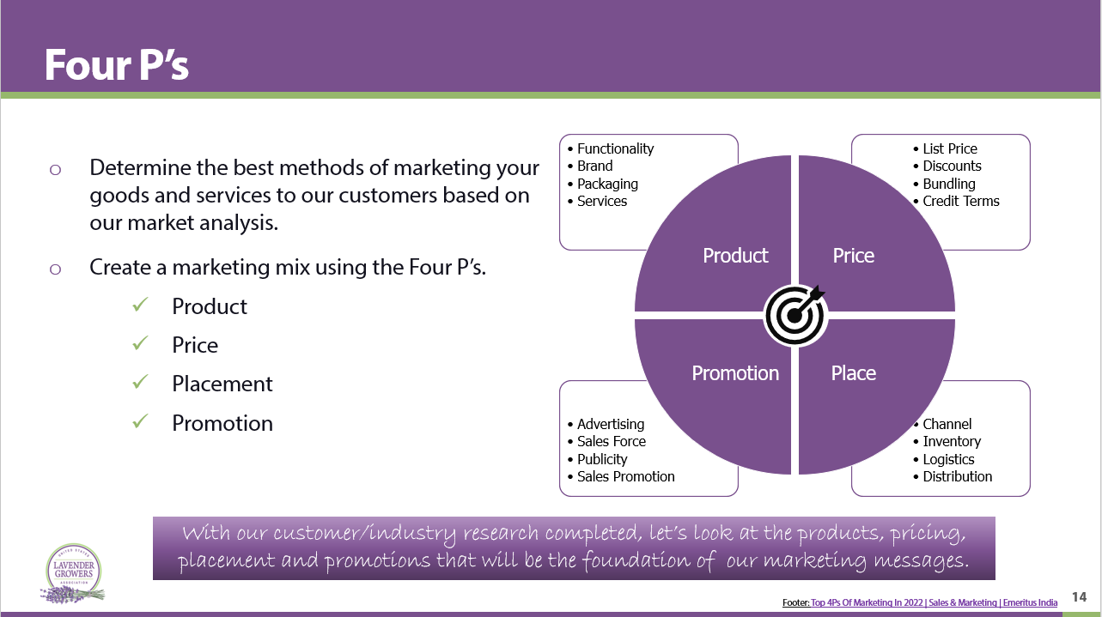
Explanation of the 4 P's : Product/Price/Placement/Promotion | 4 P's Chart:
 | Market | Product | Price | Promotion | Placement

SAMPLE CHART From our Presentation
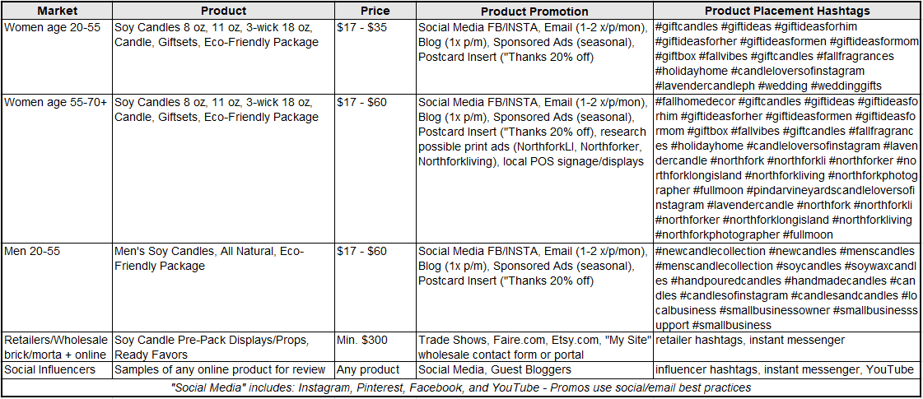 |  |  |  |  | Placement does not have to be a hashtag, it can simply be: Onsite Store, Online Store, Wholesaler Name, Retailer Name, Facebook, Instragram, or you can listsocial hashtags if you would like.

