Competitor Research chart
Competitor Analysis Research Chart
Competitor research analysis is the process of evaluating and understanding the strengths and weaknesses of competitor or comparative businesses in a specific market. For Agritourism - we can think of this chart as Comparative analysis which is the process of comparing items to one another and distinguishing their similarities and differences. This allows you to have a clear picture and form strategies in response. Choose the top 10 businesses in your region or top 10 in the industry, list their strengths and weaknesses, then compare them to your business in terms of Quality/Price/Marketing Acceptance. Now you can identify your market niche to lead your success. | Competitor Analysis Research Chart
Later, we’ll go through a more personal look at your businesses strengths weaknesses opps, and threats when you fill out SWOT chart. | Top 10 Business Regionally/Nationally - Comparison of Quality/Price/Consumer Acceptance
 | Top 10 Business Regionally/Nationally | Strengths | Weaknesses | Compare top 10 to "my business" in Quality/Price/Market Acceptance
Competitor Analysis Research Chart SAMPLE | 1
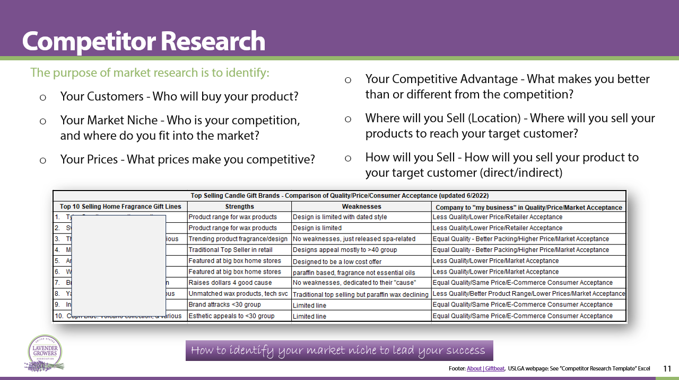
 | 2
 | 3
 | 4
 | 5
 | 6
 | 7
 | 8
 | 9
 | 10
 |  |  |  | Abbreviation key for entering information:
 |  |  |  | Less/Equal or Better Quality - $ / $$ / $$$ Price - Low/Med or High Market Acceptance

